Terrain
Humidity | Dry |  | Moderate |  | Wet
Altitude
High | hot | Rock Wasteland | hot | Bush Forest Mountain | hot | Jungle Mountain
 | temperate | Mountain Wasteland | temperate | Forest Mountain | temperate | Forest Mountain
 | cold | Ice Mountain | cold | Snow Forest Mountain | cold | Ice Forest Mountain
Medium | hot | Rock Desert | hot | Bush Forest | hot | Swamp
 | temperate | Dry Grassland | temperate | Forest | temperate | Jungle
 | cold | Tundra | cold | Snow Forest | cold | Ice Forest
Low | hot | Sand Desert | hot | Bush Grassland | hot | Swamp
 | temperate | Dry Wasteland | temperate | Grassland | temperate | Jungle
 | cold | Ice Wasteland | cold | Ice Wasteland | cold | Ice Wasteland

Rock Wasteland |  | Mountain Wasteland |  | Ice Mountain |  | Bush Forest Mountain | Bush Forest | Bush Grassland
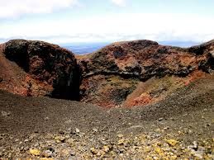 |  |  |  | 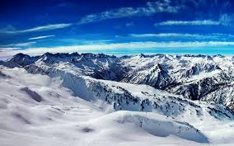 |  | 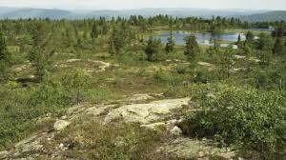

Rock Desert |  | Dry Grassland |  | Tundra |  | Forest Mountain | Forest | Grassland
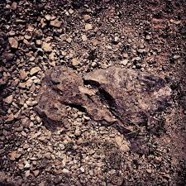 |  | 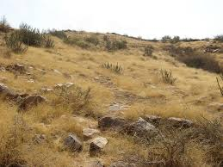 |  | 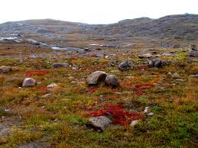 |  | 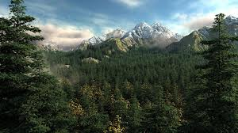 | 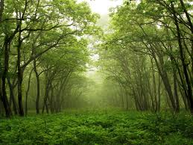

Sand Desert |  | Dry Wasteland |  | Ice Wasteland |  | Snow Forest Mountain | Snow Forest | Ice Forest Mountain
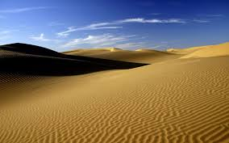 |  | 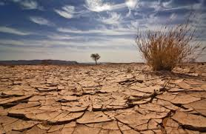 |  | 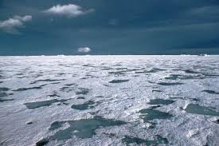 |  | 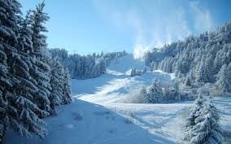 | 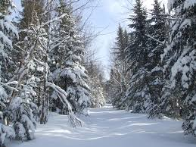

Jungle Mountain |  | Swamp |  | Jungle |  | Ice Forest
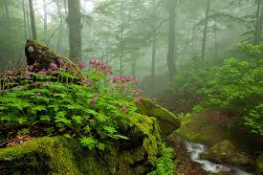 |  |  |  | 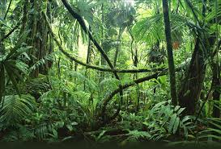 |  | 